Sheet1
 |  |  |  | Active Current | Sleep Current |  |  | time Active | Time Passive
Ec= | 710.424 | J |  | 0.12 | 0.002 | A |  | 360 | 86040 | sec per day

Eboost= | 861.120 | J | Avg Current | 0.0024916667 | A |  |  | TS | TNS
 |  |  |  |  |  |  |  | Light Time | No light
P SRC= | 0.0341714286 | W | Vovch | Vovdis | Vbatt | Vchrdy |  | 36000 | 50400 | sec per day
 |  |  | 4.12 | 3.6 | 3.3 | 3.67 | V
E STORE= | 502.320 | J |  | dV | 0.37
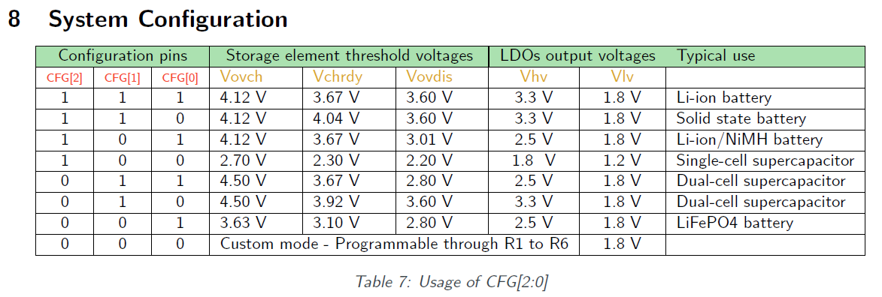
Min Ca= | 250.259 | F

dT= | 22,355.396 | s

Min Batt= | 42.28 | mAh

